4.Accident Reports
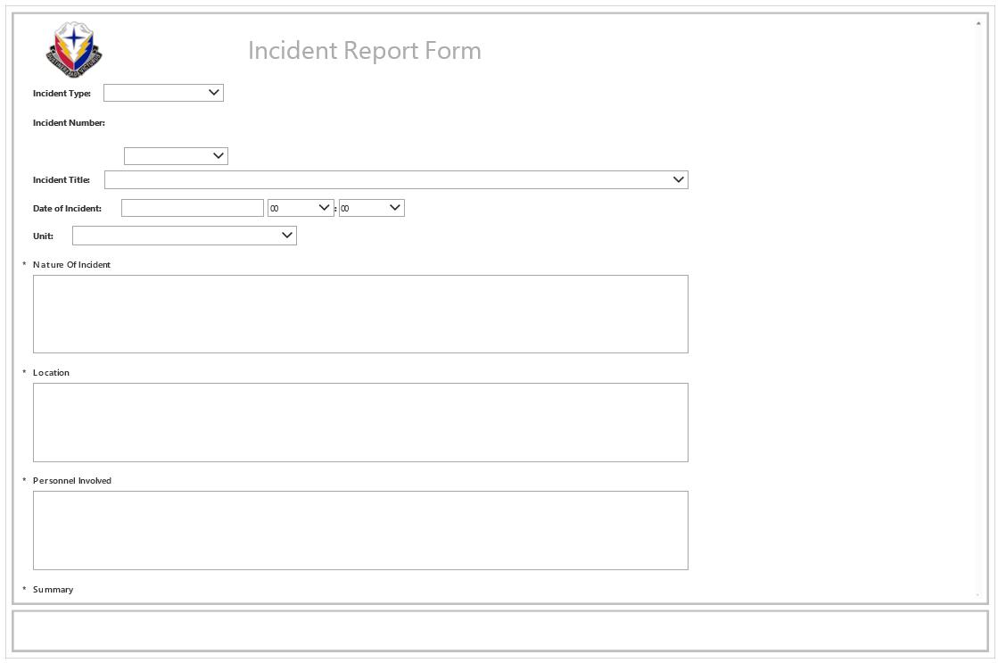
Accident Reports

